Sheet1
Test Type | Test Behaviour | Pre-Condition(if any) | Test ID | Test Summary | Test Steps | Expected Results | Actual Results | Note | ScreenShot
Positive | Functional |  | Test Case1 | Verify that vendor Carma has been successfully added to TEST but not in PROD by using US VIN | 1.Go to the following URL https://portaltest.mazdausa.com/m371/RecallService/api/vin/4F4YR12D26PM02270?api_key=PSJA_92ced5_KLm7845_Tj56mZ_0iDy_6nSA 2.Then go to this following URL https://portal.mazdausa.com/m176/RecallService/api/vin/4F4YR12D26PM02270?api_key=PSJA_92ced5_KLm7845_Tj56mZ_0iDy_6nSA in different tab 3.Now compare the output in two different tab | The TEST will show the data but the PROD will show an error of 93 | Pass |  | 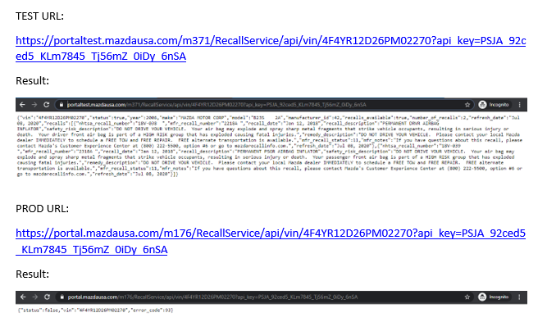
Positive | Functional |  | Test Case2 | Verify that vendor Carma has been successfully added to TEST but not in PROD by using Mexico VIN | 1.Go to the URL https://portaltest.mazdausa.com/m371/RecallService/api/vin/JM1BM1K3XG1279424?api_key=PSJA_92ced5_KLm7845_Tj56mZ_0iDy_6nSA 2. Then go this URL https://portal.mazdausa.com/m176/RecallService/api/vin/JM1BM1K3XG1279424?api_key=PSJA_92ced5_KLm7845_Tj56mZ_0iDy_6nSA 3.Then compare the two result | The TEST will show the data but the PROD will show an error of 93 | Pass |  | 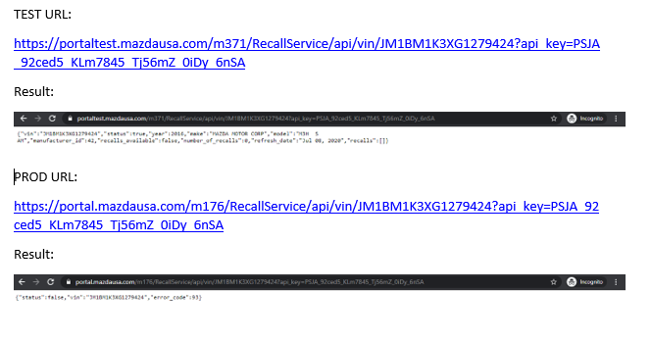
Positive | Functional |  | Test Case 3 | US VIN with recalls shows no difference in response in TEST and PROD for existing vendor NHTSA | 1.Go to this URL https://portaltest.mazdausa.com/m371/RecallService/api/vin/4F4YR12D26PM02270?api_key=7ad872afc81b18e806140be83f768b25 2.Then Go to this specified URL https://portal.mazdausa.com/m176/RecallService/api/vin/4F4YR12D26PM02270?api_key=7ad872afc81b18e806140be83f768b25 3.Please check the Response | The TEST will show that there is no difference in response in between TEST and PROD which says that existing vendor NHTSA is using the Recall-Service API with existing logic | Pass |  | 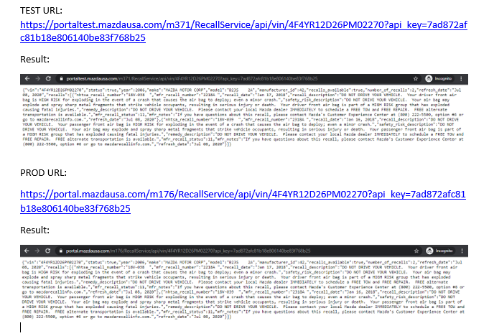
Positive | Functional |  | Test Case 4 | Mexico VIN with recalls shows no difference in response in TEST and PROD for existing vendor NHTSA | 1.Go to this URL https://portaltest.mazdausa.com/m371/RecallService/api/vin/JM1BM1K3XG1279424?api_key=7ad872afc81b18e806140be83f768b25 2.Then Go to this particular URL https://portal.mazdausa.com/m176/RecallService/api/vin/JM1BM1K3XG1279424?api_key=7ad872afc81b18e806140be83f768b25 3.Please check the Response in both the URL | The TEST will show that there is no difference in response in between TEST and PROD which says that existing vendor NHTSA is using the Recall-Service API with existing logic | Pass |  | 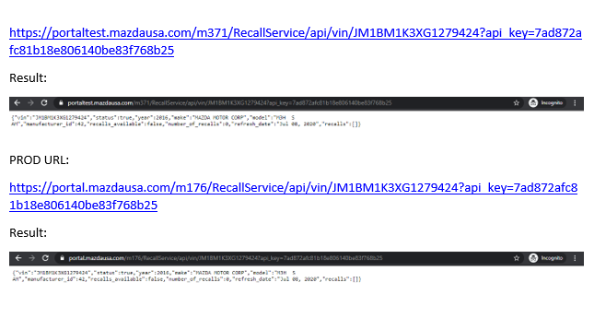
Positive | Functional |  | Test Case 5 | US VIN with recalls shows no difference in response in TEST and PROD for existing vendor MUSA | 1.Go to this particular URL https://portaltest.mazdausa.com/m371/RecallService/api/vin/4F4YR12D26PM02270?api_key=bSk1pD_p9WEP_TxEc3hvA_QZY-0Xojgi_qlxHG1IyleXioo 2.Then go to this particular URL https://portal.mazdausa.com/m176/RecallService/api/vin/4F4YR12D26PM02270?api_key=bSk1pD_p9WEP_TxEc3hvA_QZY-0Xojgi_qlxHG1IyleXioo 3.Please check the response in both the URL | The TEST will show that there is no difference in response in between TEST and PROD which says that existing vendor MUSA is using the Recall-Service API with existing logic | Pass |  | 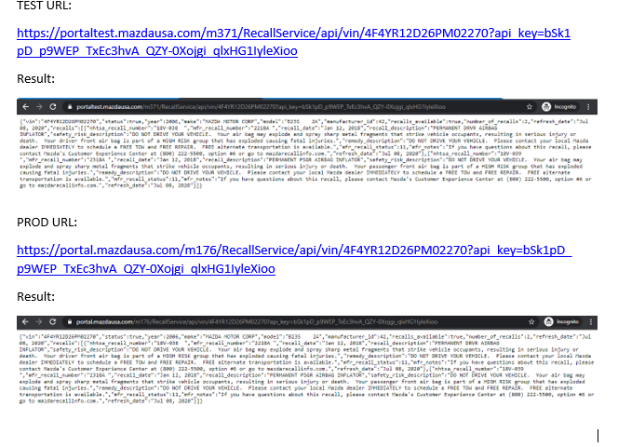
Positive | Functional |  | Test Case 6 | Mexico VIN with recalls shows no difference in response in TEST and PROD for existing vendor MUSA | 1.Go to this URL https://portaltest.mazdausa.com/m371/RecallService/api/vin/JM1BM1K3XG1279424?api_key=bSk1pD_p9WEP_TxEc3hvA_QZY-0Xojgi_qlxHG1IyleXioo 2.Then go to this URL https://portal.mazdausa.com/m176/RecallService/api/vin/JM1BM1K3XG1279424?api_key=bSk1pD_p9WEP_TxEc3hvA_QZY-0Xojgi_qlxHG1IyleXioo 3.Please check the response in both the URL | The TEST will show that there is no difference in response in between TEST and PROD which says that existing vendor MUSA is using the Recall-Service API with existing logic | Pass |  | 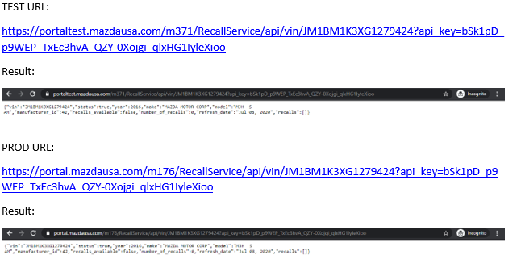
Positive | Functional |  | Test Case 7 | US VIN with recalls shows no difference in response in TEST and PROD for existing vendor MMG | 1.Go to this URL https://portaltest.mazdausa.com/m371/RecallService/api/vin/4F4YR12D26PM02270?api_key=bSk1pD_p9WEP_TxEc3hvA_QZY-0Xojgi_qlxHG1IyleXMmg 2.Go to this URL in new tab https://portal.mazdausa.com/m176/RecallService/api/vin/4F4YR12D26PM02270?api_key=bSk1pD_p9WEP_TxEc3hvA_QZY-0Xojgi_qlxHG1IyleXMmg 3.Please check the Response in two tabs | The TEST will show that there is no difference in response in between TEST and PROD which says that existing vendor MMG is using the Recall-Service API with existing logic | Pass |  | 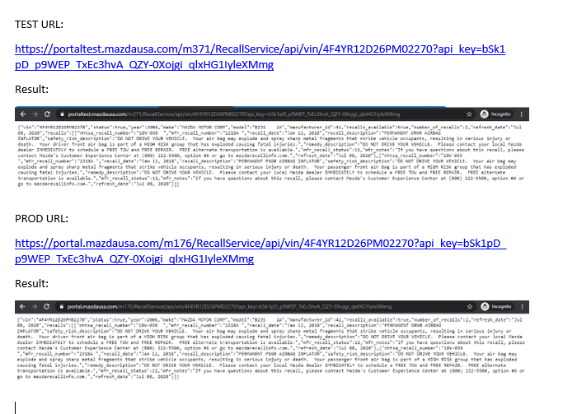
Positive | Functional |  | Test Case 8 | Mexico VIN with recalls shows no difference in response in TEST and PROD for existing vendor MMG | 1.Go to this URL https://portaltest.mazdausa.com/m371/RecallService/api/vin/JM1BM1K3XG1279424?api_key=bSk1pD_p9WEP_TxEc3hvA_QZY-0Xojgi_qlxHG1IyleXMmg 2.Go to this particular URL in new tab https://portal.mazdausa.com/m176/RecallService/api/vin/JM1BM1K3XG1279424?api_key=bSk1pD_p9WEP_TxEc3hvA_QZY-0Xojgi_qlxHG1IyleXMmg 3.Then compare the response in both the tab | The TEST will show that there is no difference in response in between TEST and PROD which says that existing vendor MMG is using the Recall-Service API with existing logic | Pass |  | 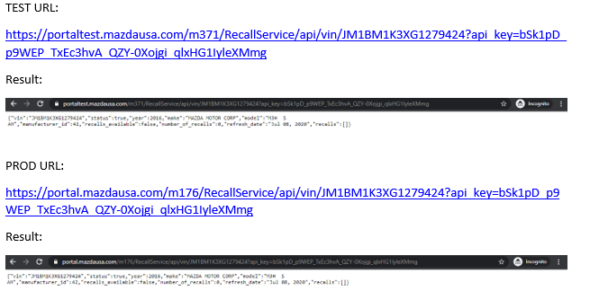
Positive | Functional |  | Test Case 9 | US VIN with recalls shows no difference in response in TEST and PROD for existing vendor XTC | 1.Go to this URL https://portaltest.mazdausa.com/m371/RecallService/api/vin/4F4YR12D26PM02270?api_key=cG19K_j88ERP_qWs34ggbL_90xC4I66Dew-Iu21o 2.Then Go this URL in new tab https://portal.mazdausa.com/m176/RecallService/api/vin/4F4YR12D26PM02270?api_key=cG19K_j88ERP_qWs34ggbL_90xC4I66Dew-Iu21o 3.Then observe the response in both the URL | The TEST will show that there is no difference in response in between TEST and PROD which says that existing vendor XTC is using the Recall-Service API with existing logic | Pass |  | 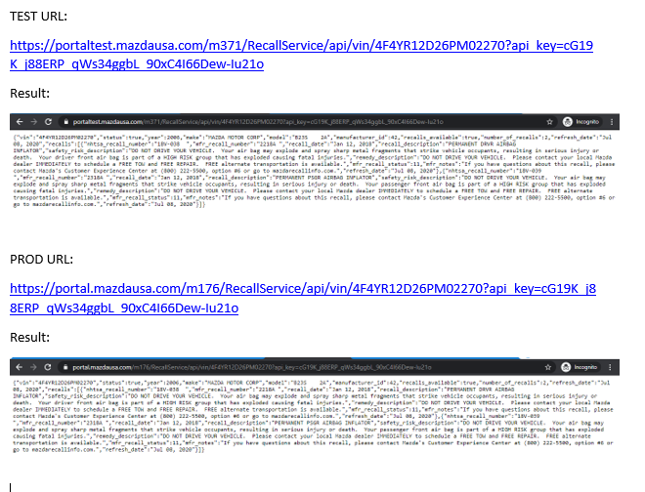
Positive | Functional |  | Test Case 10 | Mexico VIN with recalls shows no difference in response in TEST and PROD for existing vendor XTC | 1.Go to this URL https://portaltest.mazdausa.com/m371/RecallService/api/vin/JM1BM1K3XG1279424?api_key=cG19K_j88ERP_qWs34ggbL_90xC4I66Dew-Iu21o 2.Then go to this URL https://portal.mazdausa.com/m176/RecallService/api/vin/JM1BM1K3XG1279424?api_key=cG19K_j88ERP_qWs34ggbL_90xC4I66Dew-Iu21o 3.Please check the response in both the tab | The TEST will show that there is no difference in response in between TEST and PROD which says that existing vendor XTC is using the Recall-Service API with existing logic | Pass |  | 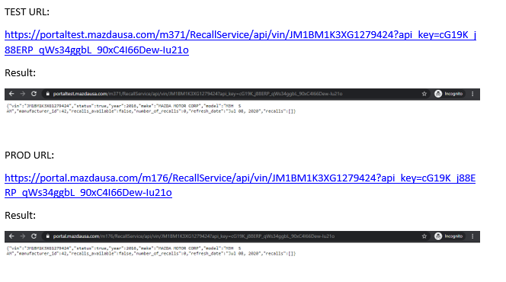
Positive | Functional |  | Test Case 11 | US VIN with recalls shows no difference in response in TEST and PROD for existing vendor Mitchell | 1.Go to this URL https://portaltest.mazdausa.com/m371/RecallService/api/vin/4F4YR12D26PM02270?api_key=ZHsSO_0RlcGG_96JC4NexI_51jRQQkqVma_KpQos 2.Then Go to this URL https://portal.mazdausa.com/m176/RecallService/api/vin/4F4YR12D26PM02270?api_key=ZHsSO_0RlcGG_96JC4NexI_51jRQQkqVma_KpQos 3.Please compare the response in both the tab | The TEST will show that there is no difference in response in between TEST and PROD which says that existing vendor Mitchell is using the Recall-Service API with existing logic | Pass |  | 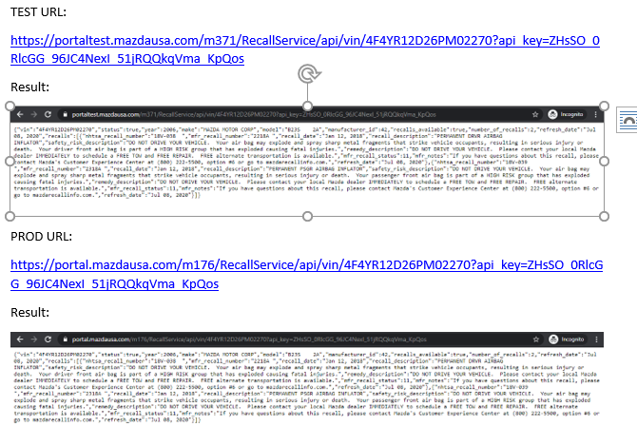
Positive | Functional |  | Test Case 12 | Mexico VIN with recalls shows no difference in response in TEST and PROD for existing vendor Mitchell | 1.Go to this URL https://portaltest.mazdausa.com/m371/RecallService/api/vin/JM1BM1K3XG1279424?api_key=ZHsSO_0RlcGG_96JC4NexI_51jRQQkqVma_KpQos 2.Then Go to this URL https://portal.mazdausa.com/m176/RecallService/api/vin/JM1BM1K3XG1279424?api_key=ZHsSO_0RlcGG_96JC4NexI_51jRQQkqVma_KpQos 3.Then check the output in both the URL | The TEST will show that there is no difference in response in between TEST and PROD which says that existing vendor Mitchell is using the Recall-Service API with existing logic | Pass |  | 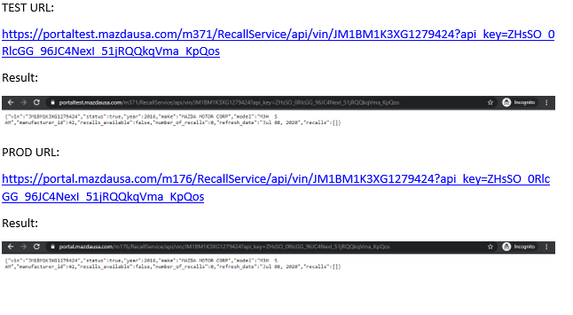
Positive | Functional |  | Test Case 13 | US VIN with recalls shows no difference in response in TEST and PROD for existing vendor Mitchel1 | 1.Go to this URL https://portaltest.mazdausa.com/m371/RecallService/api/vin/4F4YR12D26PM02270?api_key=QRbXR_TOzmOC_27HI8RknR_19cCDMtXsh_UYsOU 2.Then Go to this URL https://portal.mazdausa.com/m176/RecallService/api/vin/4F4YR12D26PM02270?api_key=QRbXR_TOzmOC_27HI8RknR_19cCDMtXsh_UYsOU 3.Please check the response in the two tabs | The TEST will show that there is no difference in response in between TEST and PROD which says that existing vendor Mitchel1 is using the Recall-Service API with existing logic | Pass |  | 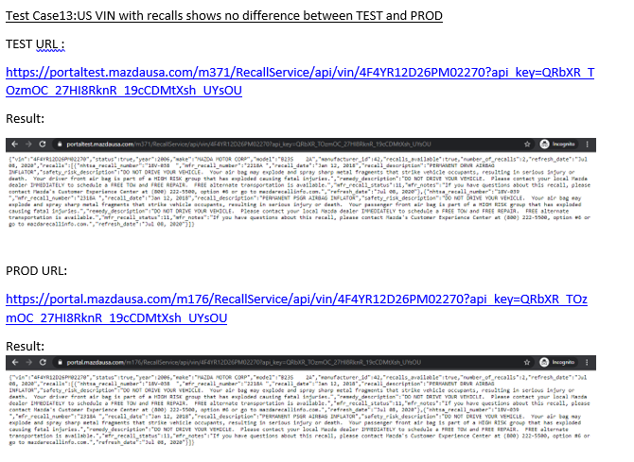
Positive | Functional |  | Test Case 14 | Mexico VIN with recalls shows no difference in response in TEST and PROD for existing vendor Mitchel1 | 1.Go to this URL https://portaltest.mazdausa.com/m371/RecallService/api/vin/JM1BM1K3XG1279424?api_key=QRbXR_TOzmOC_27HI8RknR_19cCDMtXsh_UYsOU 2.Then Go to this URL https://portal.mazdausa.com/m176/RecallService/api/vin/JM1BM1K3XG1279424?api_key=QRbXR_TOzmOC_27HI8RknR_19cCDMtXsh_UYsOU 3.Please check the response in both the tab | The TEST will show that there is no difference in response in between TEST and PROD which says that existing vendor Mitchel1 is using the Recall-Service API with existing logic | Pass |  | 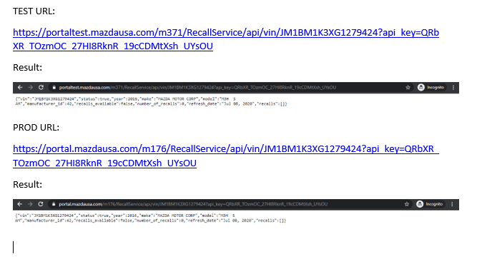
Positive | Functional |  | Test Case 15 | US VIN with recalls shows no difference in response in TEST and PROD for existing vendor JNR | 1.Go to this URL https://portaltest.mazdausa.com/m371/RecallService/api/vin/4F4YR12D26PM02270?api_key=IGrTu_LJEwt_Nh64xf6T_J6W1NNk76_MXiQ0x 2.Then Go to this URL https://portal.mazdausa.com/m176/RecallService/api/vin/4F4YR12D26PM02270?api_key=IGrTu_LJEwt_Nh64xf6T_J6W1NNk76_MXiQ0x 3.Then check the response came from both the URL | The TEST will show that there is no difference in response in between TEST and PROD which says that existing vendor JNR is using the Recall-Service API with existing logic | Pass |  | 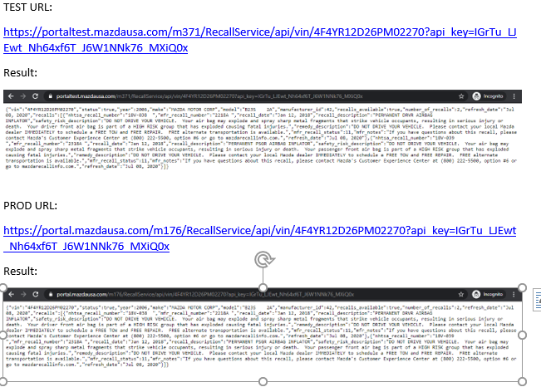
Positive | Functional |  | Test Case 16 | Mexico VIN with recalls shows no difference in response in TEST and PROD for existing vendor JNR | 1.Go to the URL https://portaltest.mazdausa.com/m371/RecallService/api/vin/JM1BM1K3XG1279424?api_key=IGrTu_LJEwt_Nh64xf6T_J6W1NNk76_MXiQ0x 2.Then go to this URL https://portal.mazdausa.com/m176/RecallService/api/vin/JM1BM1K3XG1279424?api_key=IGrTu_LJEwt_Nh64xf6T_J6W1NNk76_MXiQ0x 3.Please check the response in two tabs | The TEST will show that there is no difference in response in between TEST and PROD which says that existing vendor JNR is using the Recall-Service API with existing logic | Pass |  | 